栏位
last design | description (name of web) | type (based on old design, mark new design) | old names | comments | value | example
id | id of the sql | int(11) | id |  | auto | 807
creator | user name | varchar(255) | creator |  | varchar100 | YigangChen
add_time | first add time | datetime | add_date |  | datetime | 4/12/19
modified_date | latest modified time | datetime | modified_date |  | datetime
pmid | pmid | int(11) | pmid |  | int11 | 29601800
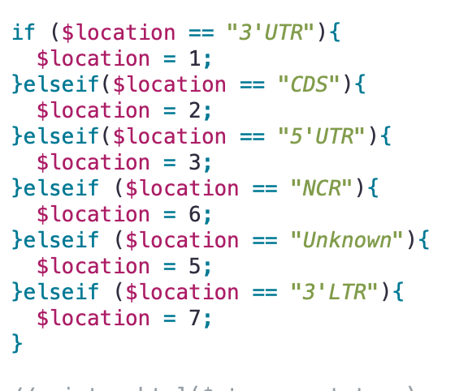
species_mir | Species(miRNA) | varchar(10) | species_mirna |  | varchar50 | hsa
species_tar | Species(Target) | varchar(10) | species_target |  | varchar50 | hsa
mirna | miRNA | varchar(40) | oMirna | I think oMirna seems like official mirna… but it's mirna | varchar20 | hsa-miR-182-5p
gene_symbol | Gene Symbol | varchar(40) | gene_symbol |  | varchar100 | NAMPT
cell_line | cell line | varchar(255) | cell_line |  | varchar255 | OLF cell
loc | Location | varchar(40) use number for location | location |  | varchar50 | 3'UTR
validated_method | validated mathod | varchar(255) | validation_method |  | varchar255 | Immunohistochemistry//Luciferase reporter assay//qRT-PCR//Western blot
prediction_tools | Prediction tools | varchar(255) | tool |  | varchar255 | TargetScan
original_desc | Original Description | text | original_description | they put mt_des in this block for mt type, we don't use | text | We have also discovered that miR-182 targets the NAMPT 3璽?玲?UTR using TargetScan. In this study, we assess the miRNA-182 and 3璽?玲?UTR binding site of NAMPT by a Dual-Luciferase reporter assay performed in OLF cells. In addition, we analyzed the impact of NAMPT and miR-182 on the expression of genes involved in osteogenic differentiation and measured the formation of ossification in ligamentum flavum cells.
note | Note | text | note |  | text | don't have official cell line information
tf | TF (miRNA) related article | varchar(10) | tf |  | varchar10 | TRUE
disease | Disease | varchar(255) | disease |  | varchar50 | Ossification of the ligamentum flavum (OLF)
dis_relation | Relationship type | varchar(40) | dis_relation |  | varchar50 | Supressed
dis_mir_exp | Expression pattern of miRNA | varchar(40) | mir_expression |  | varchar50 | Down-regulated
dis_desc | Description of miRNA-disease relationship | text | dis_desc |  | text | Overall, these data demonstrate that miR-182 suppresses OLF by downregulating NAMPT.
wt_support |  | varchar(255) (old was varchar(40)) use 1 as true 2 as false | support_type | mt wt use some block, need change | varchar100 | TRUE
wt_mrna |  | text | rep_mRNA | strange name… | text | NAMPT
wt_site_name | these are WT block, easy to understand | text | site_name | mt wt use some block, need change | text | 3' UTR
wt_mrna_seq |  | text | target_seq5-3 | extrimely bad name | text | AUUGUACCAGUGAAAUGCCAAAU
wt_mrna_f |  | text | primer_f_target |  | text
wt_mrna_r |  | text | primer_r_target |  | text
mt_support |  | varchar(255) same as wt | support_type | mt wt use some block, need change | varchar100 | TRUE
mt_site_name |  | text | site_name | mt wt use some block, need change | text | 3'UTR
mt_mrna_check | checkbox for mutated of mRNA seq | text | MT_target |  | text | \N
mt_mrna |  | text | target_seq5-3 | strange name, and use same name | text | AUUGUACCAGUGAAAUCGGUAAU
mt_mirna_check | checkbox for mutated of miRNA seq | text | MT_mirna |  | text | \N
mt_mirna |  | text | mirna_seq3-5 | strange name… | text | UCACACUCAAGAUGGUAACGGUUU
mt_mrna_f |  | text | primer_f_target_mt |  | text | GCGCTCGAGCAGTGAAATCGGTAAT
mt_mrna_r |  | text | primer_r_target_mt |  | text | GCCGCGGCCGCTAGTGGAAGCAGAAAT
mt_desc |  | text | original_description | bad design, use original_description | text
checked | checkbox for reviewer to mark to modify | varchar(10) (input true or null) |  |  | varchar10 | TRUE
check_note | note of detail problem to modify | text |  |  | text | ….
modified | for students to update short discreption if finish modify | varchar(100) |  |  | varchar100 | modified
treatment | treatment name | varchar(255) this new block use disease's design | treatment | new treatment blocks | varchar100
treat_exp | treatment expression | varchar(40) | treat_expression |  | varchar50
treat_desc | treatment description | text | treat_des |  | text

 |  |  | for check part, I design a checked which is a checkbox. Only taster can modify this checkbox.
 |  |  | ckeck_nate is same to checkbox, design for taster write comment for students to modify
 |  |  | after students modified, they write a short comment for their modify, such as finished or
 |  |  | modified, so the check of this paper finish.
 |  |  | this is just a skeleton of brife idea, we can chat when dealing with more complex work.

